Application Screen
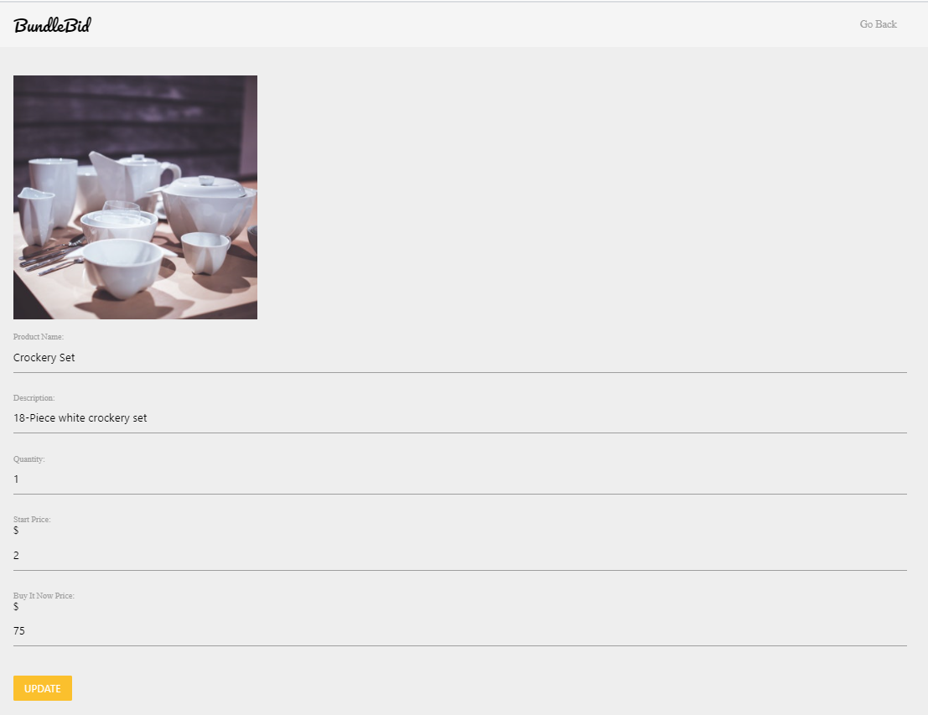

Test Case 8
Data Flow Out
TC Title: | TC8. Modifying Product - Data Flow Out + Core Functionality Testing

TC Objective: | Ensure that the modified product details appears accurately on webpage.

Registered
Wholesaler
Update Product
Details
01.02 Modifying
Product
Update
Database
TC Description
 | Step | Step Description | Expected Results
 | 1 | Click Modify button | System should redirect user to modify product webpage.
D
Product
 | 2 | Enter the updated quantity in "Quantity Bundle" field. | User must be able to enter valid product description.
Display product
with updated
details
 | 3 | Click on the update button. | User must be directed to Selling History and see the updated quantity
 | 4 | Click on the product name whose bundle quantity is updated. | User should be redirected to webpage, where he/she can view the updated bundle quantity of the product

03.01 Browse
Product

